Results summary
Sample | timepoint | Raw vaue (ug/l) | dilution factor | Final (ug/l) | Adjusted final (ug/l) | Liquid volume (ml) | Surface area (cm^2) | Vol/surface area ratio | Adjusted final * (vol/surface area) | Total lead extracted (ug Pb)
Dalton tumbler | 1hr | 84.2 | 3 | 253 | 218 | 279 | 261 | 1.069 | 233 | 61
Dalton tumbler | 3hr | 145 | 3 | 435 | 400 | 279 | 261 | 1.069 | 428 | 112
Dalton tumbler | 6day | 149 | 3 | 447 | 412 | 279 | 261 | 1.069 | 440 | 115
Dalton tumbler | 3hr after 6day | 76.7 | 1 | 77 | 42 | 279 | 261 | 1.069 | 45 | 12
Dalton tumbler | 3h after 3 days at 50*C | 87.3 | 1 | 87 | 52 | 279 | 261 | 1.069 | 56 | 15
Dalton wine glass | 1hr | 21.7 | 2 | 43 | 8 | 155 | 167 | 0.928 | 8 | 1
Dalton wine glass | 3hr | 49.5 | 2 | 99 | 64 | 155 | 167 | 0.928 | 59 | 10
Dalton wine glass | 6day | 112 | 2 | 224 | 189 | 155 | 167 | 0.928 | 175 | 29
Dalton wine glass | 3hr after 6day | 52.3 | 1 | 52 | 17 | 155 | 167 | 0.928 | 16 | 3
Dalton wine glass | 3h after 3 days at 50*C | 49.4 | 1 | 49 | 14 | 155 | 167 | 0.928 | 13 | 2
Sleigh | 1hr | 6.78 | 1 | 7 | -28 | 245 | 240 | 1.021 | -29 | -7
Sleigh | 3hr | 16.5 | 1 | 17 | -19 | 245 | 240 | 1.021 | -19 | -5
Sleigh | 6day | 6.79 | 1 | 7 | -28 | 245 | 240 | 1.021 | -29 | -7
Sleigh | 3hr after 6day | 77 | 1 | 77 | 42 | 245 | 240 | 1.021 | 43 | 10
Vase | 3hr | 595 | 2 | 1190 | 1155 | 36 | 83 | 0.434 | 501 | 42
Vase | 6day | 422 | 10 | 4220 | 4185 | 36 | 83 | 0.434 | 1815 | 151
Vase | 3hr after 6day | 172 | 3 | 516 | 481 | 36 | 83 | 0.434 | 209 | 17
Vase | 3h after 3 days at 50*C | 99.6 | 2 | 199 | 164 | 36 | 83 | 0.434 | 71 | 6
Sugar bowl plus creamer | 1hr | 83 | 3 | 249 | 214 | 156 | 207 | 0.754 | 161 | 33
Sugar bowl plus creamer | 3hr | 194 | 3 | 582 | 547 | 156 | 207 | 0.754 | 412 | 85
Sugar bowl plus creamer | 6day | 307 | 3 | 921 | 886 | 156 | 207 | 0.754 | 668 | 138
Sugar bowl plus creamer | 3hr after 6day | 205 | 1 | 205 | 170 | 156 | 207 | 0.754 | 128 | 27
Sugar bowl plus creamer | 3h after 3 days at 50*C | 48.2 | 1 | 48 | 13 | 156 | 207 | 0.754 | 10 | 2
Mug | 1hr | 55.8 | 3 | 167 | 132 | 290 | 301 | 0.963 | 128 | 38
Mug | 3hr | 92.4 | 3 | 277 | 242 | 290 | 301 | 0.963 | 233 | 70
Mug | 6day | 244 | 3 | 732 | 697 | 290 | 301 | 0.963 | 672 | 202
Mug | 3hr after 6day | 120 | 1 | 120 | 85 | 290 | 301 | 0.963 | 82 | 25
Mug | 3h after 3 days at 50*C | 49.2 | 1 | 49 | 14 | 290 | 301 | 0.963 | 14 | 4
Leaf | 3hr | 158 | 3 | 474 | 439 | 23 | 28 | 0.821 | 361 | 10
Leaf | 6day | 427 | 3 | 1281 | 1246 | 23 | 28 | 0.821 | 1024 | 29
Leaf | 3hr after 6day | 61.2 | 3 | 184 | 149 | 23 | 28 | 0.821 | 122 | 3

Lead (Pb) concentration vs timepoint
Adjusted concentration | 1hr | 3hr | 6day | 3h after 6day | 3h after 3 days at 50*C
Dalton tumbler | 218 | 400 | 412 | 42 | 52
Dalton wine glass | 8 | 64 | 189 | 17 | 14
Sleigh | -28 | -19 | -28 | 42
Vase |  | 1155 | 4185 | 481 | 164
Sugar bowl | 214 | 547 | 886 | 170 | 13
Mug | 132 | 242 | 697 | 85 | 14
Leaf |  | 439 | 1246 | 149

Adjusted concentration, vol/area corrected | 1hr | 3hr | 6day | 3h after 6day | 3h after 3 days at 50*C
Dalton tumbler | 233 | 428 | 440 | 45 | 56
Dalton wine glass | 8 | 59 | 175 | 16 | 13
Sleigh | -29 | -19 | -29 | 43
Vase |  | 501 | 1815 | 209 | 71
Sugar bowl | 161 | 412 | 668 | 128 | 10
Mug | 128 | 233 | 672 | 82 | 14
Lead (Pb) concentration vs timepoint
Leaf |  | 361 | 1024 | 122

100 micrograms extracted from 250 cm^2
24% PbO, so 417 micrograms of glass in the extraction zone
Lead crystal density 3.1g/cm^3
Thickness of extraction layer = (417e-6 / 3.1) / 250
5.38E-09 | m

Lead (Pb) concentration vs timepoint (volume/area corrected)

 |  |  |  |  |  |  |  | Fill glass | Wait 1 hour, sample 1hr timepoint | Wait 3 hours, sample 3hr timepoint | Empty glass, Refill wait 6 days, sample 6day timepoint | Empty glass, refill, wait 3 hours, sample 3h after 6day timepoint | Empty glass, wait 3 days at 50*C, refill, wait 3 hours, sample 3h after 3 days at 50*C timepoint

Materials and methods
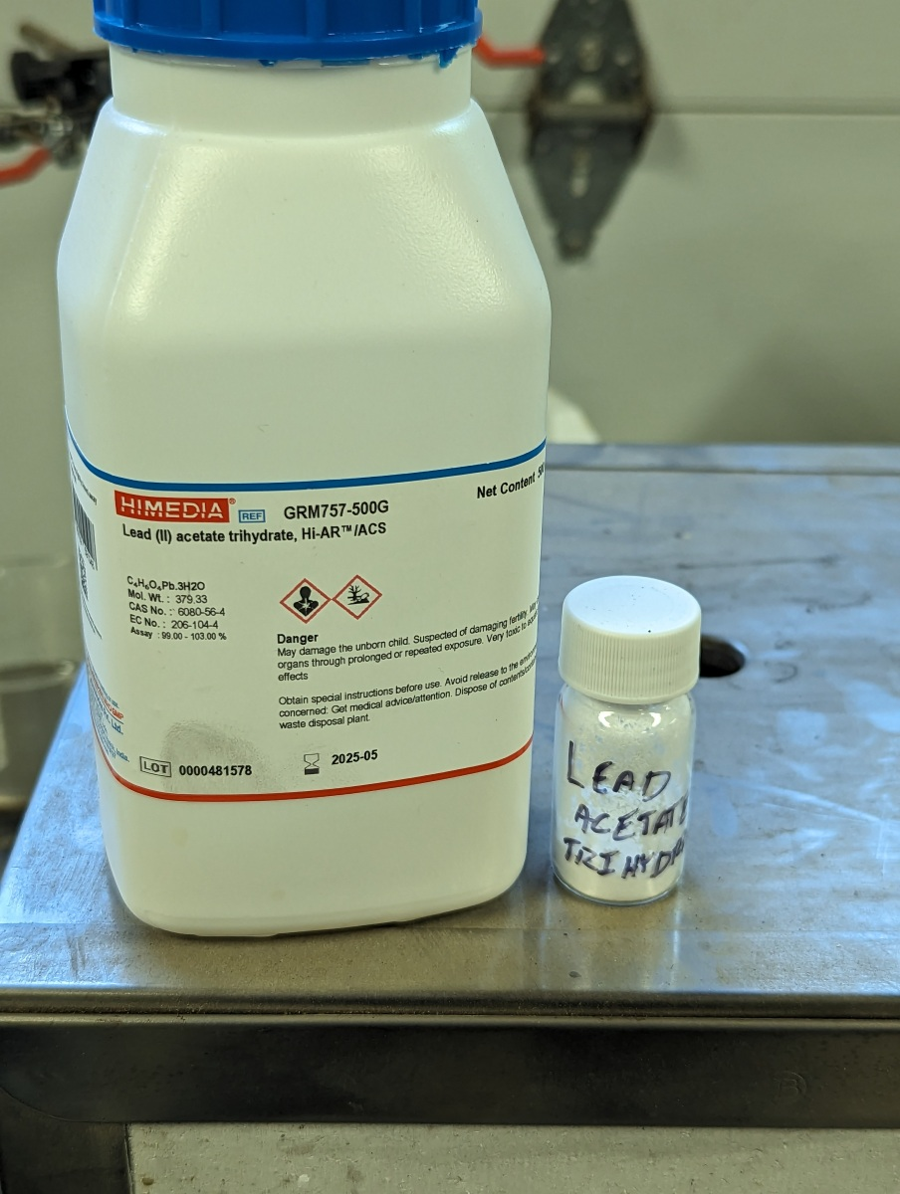
All water is freshly prepared RO/DI, stored in glass containers
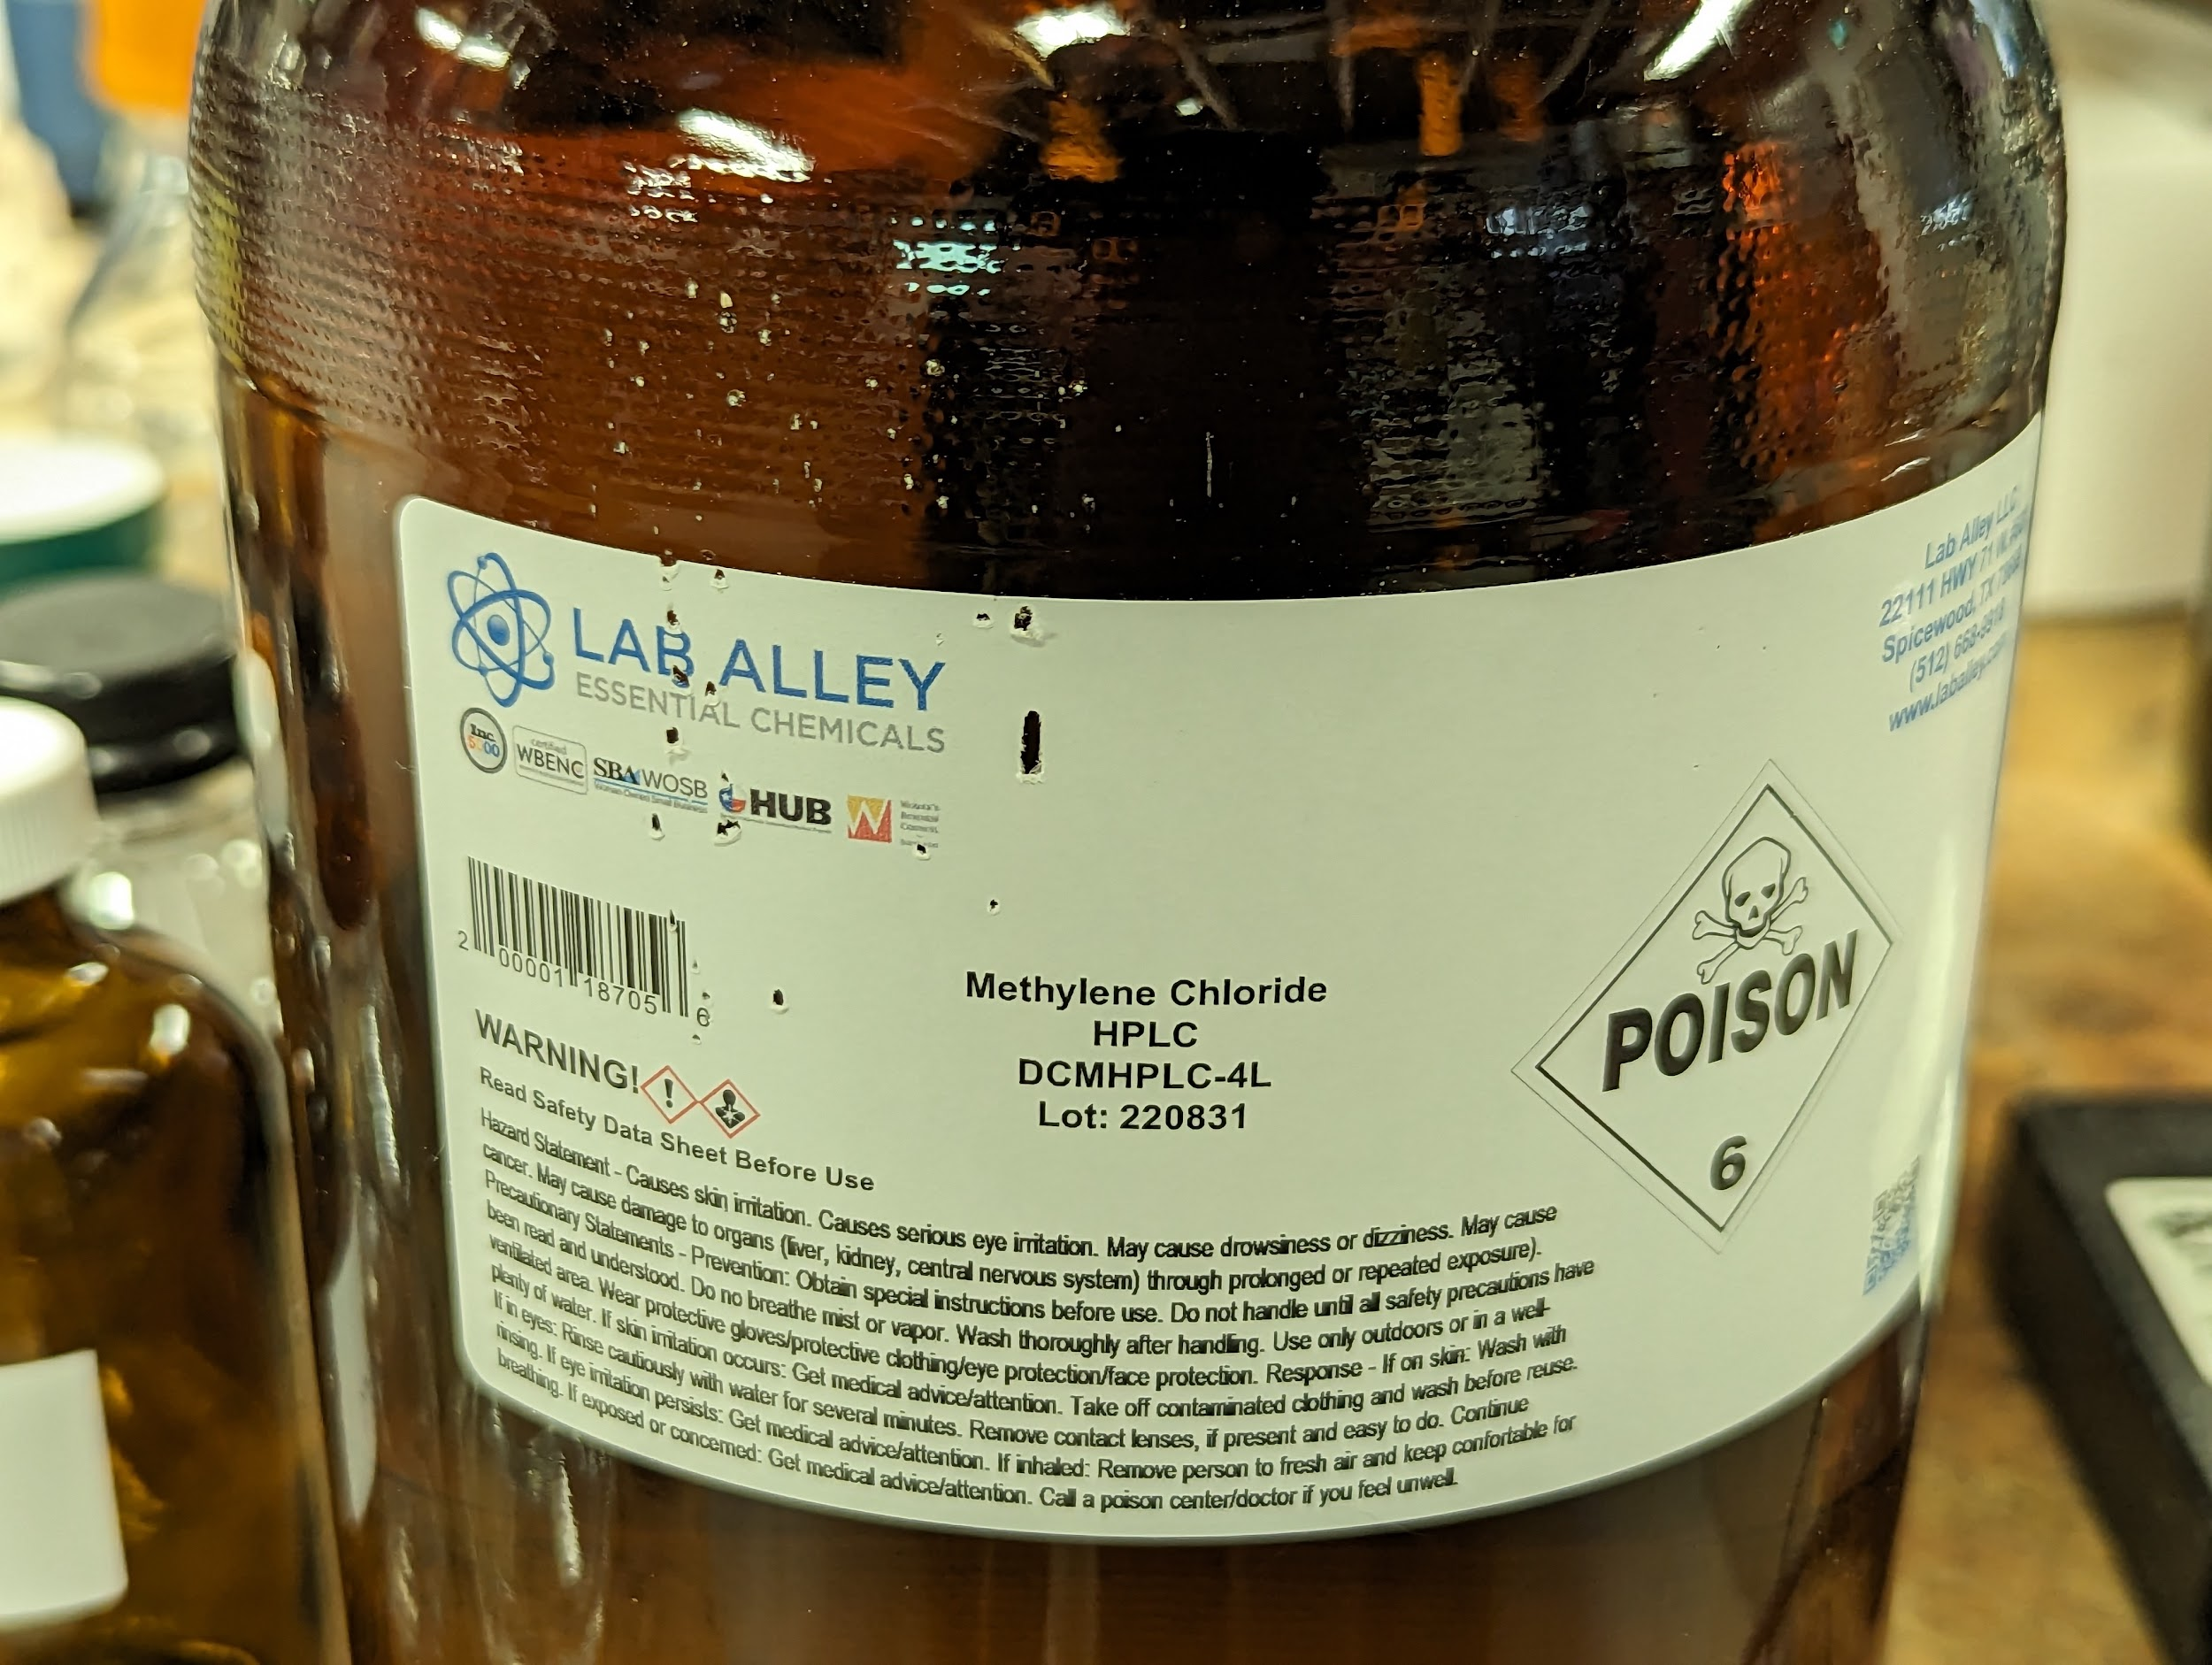
Stock dithizone solution (1.56e-4 M)
Add 4.8mg dithizone to 120ml dichloromethane
 |  |  |  | Molar mass of dithizone is 256.3
Working dithizone solution (4.7e-5 M) |  |  |  | About 100 times more dithizone by mole than Pb at 100ug/l Pb
Add 60ml stock solution to 140ml dichloromethane

3% NH4OH
Boiled NH4OH and dissolved gas in RO/DI water, to make a concentrated sol'n, then diluted to 3%

Lead stock solution (100mg Pb per liter)
199ml water |  |  | Target 100mg Pb per liter
1ml glacial acetic acid |  |  | Target total volume 0.2 liter
36.65mg lead acetate trihydrate (recrystalized) |  |  | Molar mass of lead acetate trihydrate 379.3
 |  |  | Atomic mass of lead 207.2
 |  |  | 1 atom lead per molecule lead acetate trihydrate
 |  |  | required mass (mg) of lead acetate trihydrate per 200ml |  | 36.65

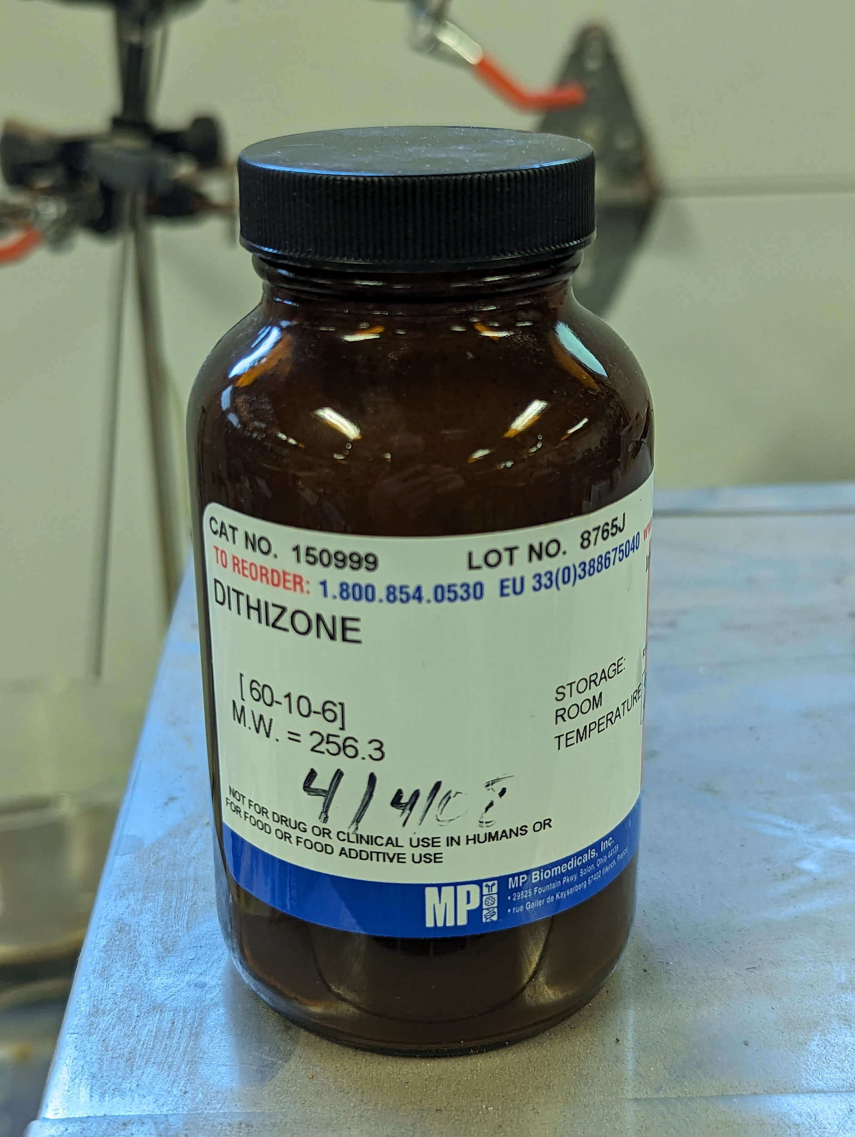
Lead standards working solutions
Concentration (ug/l) | Molarity (M) | Water (ml) | glacial acetic acid (ml) | lead stock solution (ml)
2000 | 9.65E-06 | 195 | 1 | 4
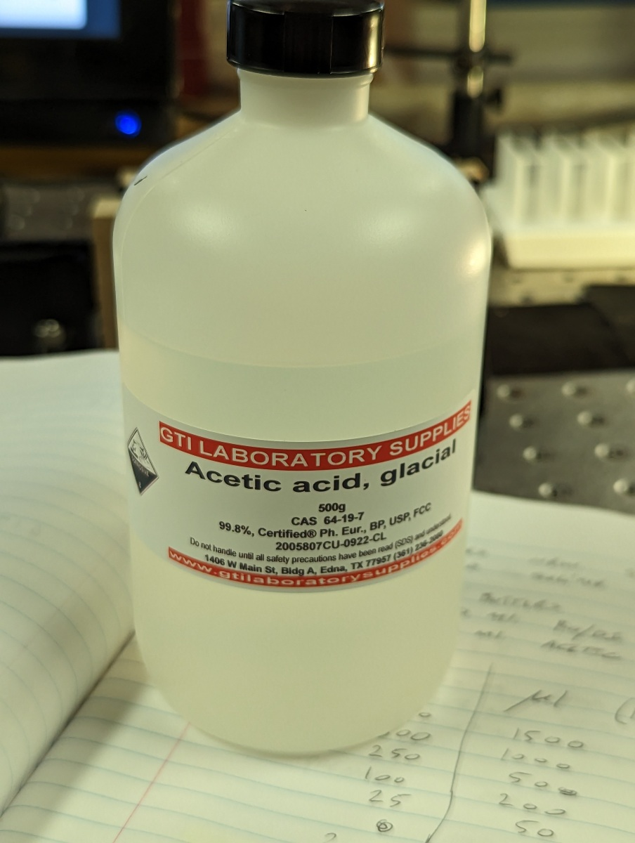
750 | 3.62E-06 | 197.5 | 1 | 1.5
500 | 2.41E-06 | 198 | 1 | 1
250 | 1.21E-06 | 199 | 1 | 0.5
100 | 4.83E-07 | 199 | 1 | 0.2
25 | 1.21E-07 | 199 | 1 | 0.05
0 | 0 | 199 | 1 | 0

pH determination
30ml of "0 Pb working solution" (0.5% acetic acid)
3.09ml 3% NH4OH
pH = 8.7

Typical lead extraction procedure:
Add 30ml sample to 250ml seperatory funnel
Add 5.1ml dithizone working solution
Add 3.09ml 3% NH4OH
Shake twice, vent
Shake twice, vent
Shake twice, vent
Shake vigorously 10 seconds
Allow layers to separate for 1 minute
Drain organic layer into 10mm glass cuvette
Place lid on cuvette and measure within 20 minutes

Photos of lead crystal glasswar
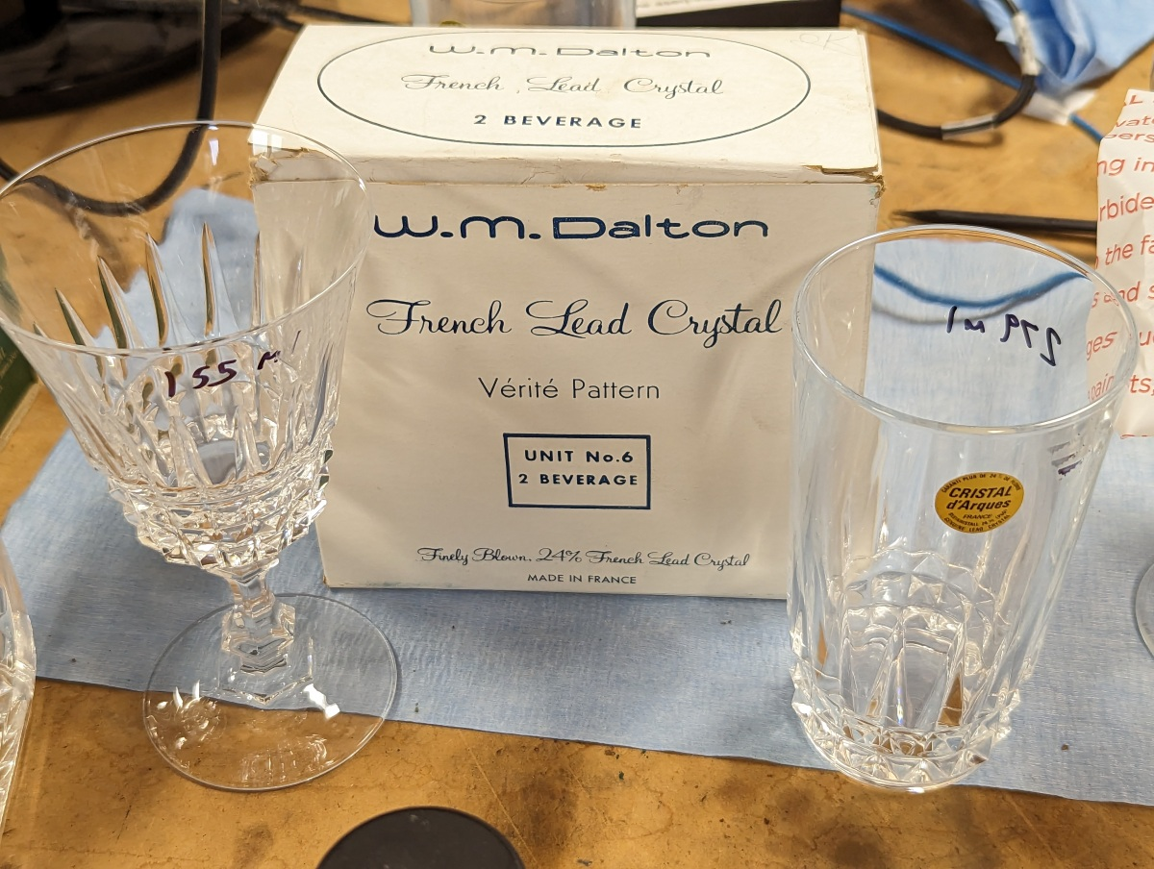

Dalton tumber and wine glass. Made in France "24% French lead crystal"

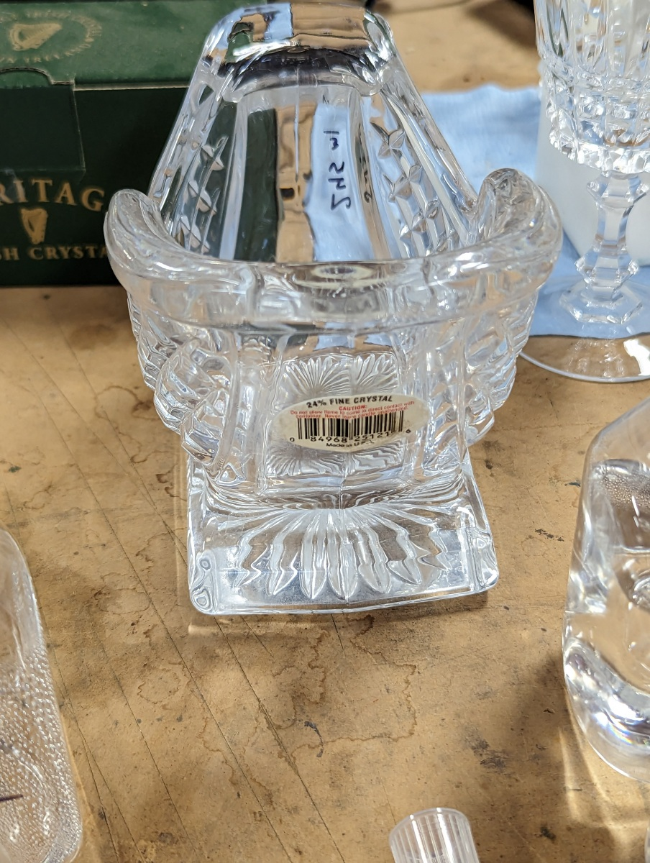

Sleigh shaped candy bowl "24% Fine Crystal" Made in USA

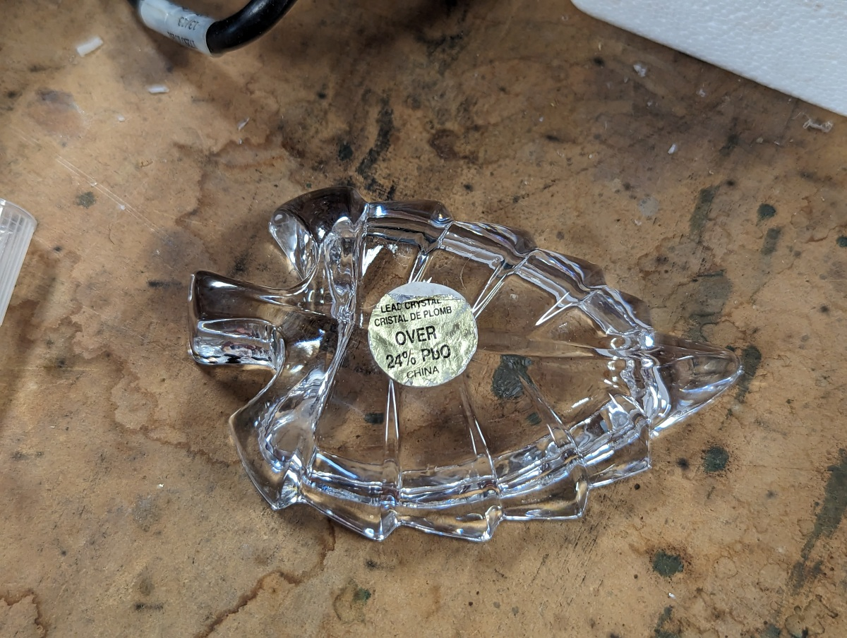

Small leaf shaped candy dish "Over 24% PbO" Made in China

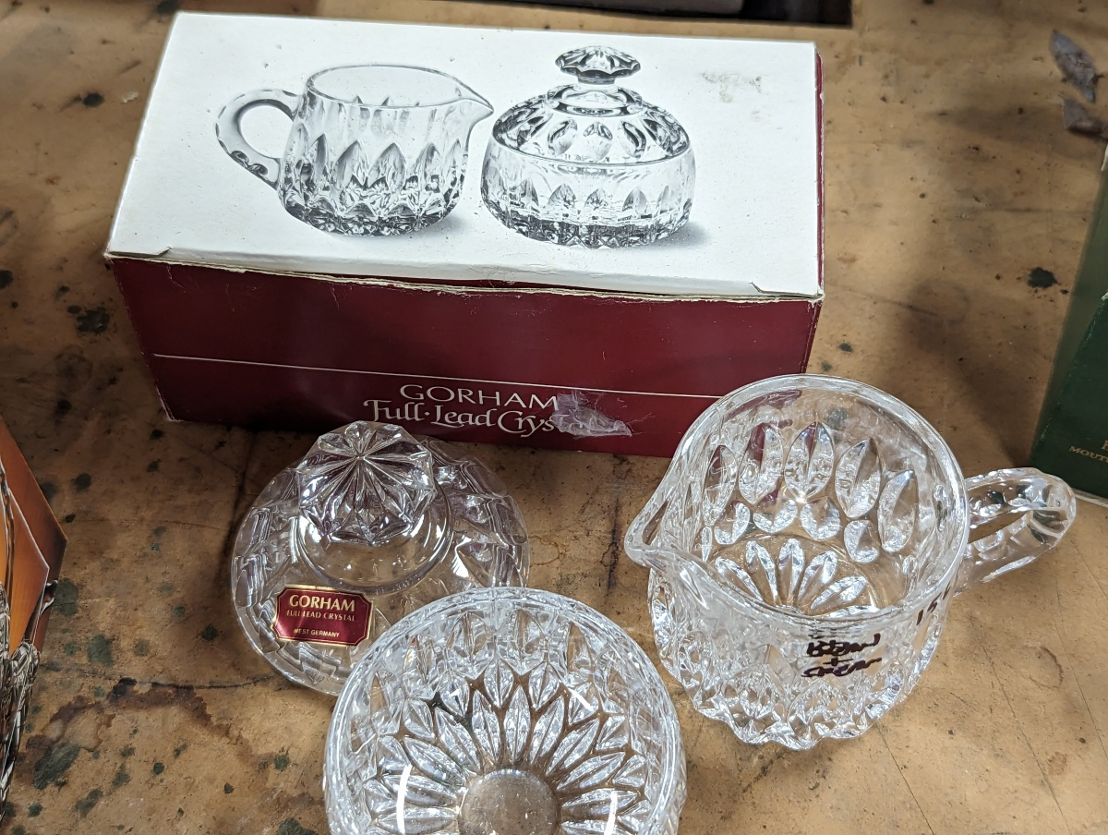

Sugar bowl and creamer "Full lead crystal" Made in West Germany

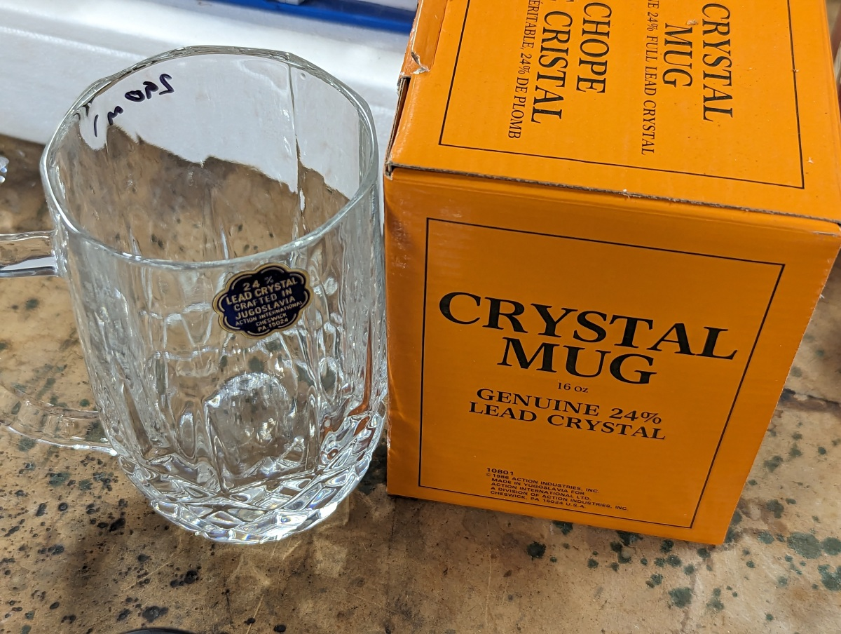

Beer mug "Genuine 24% lead crystal" Made in Jugoslavia

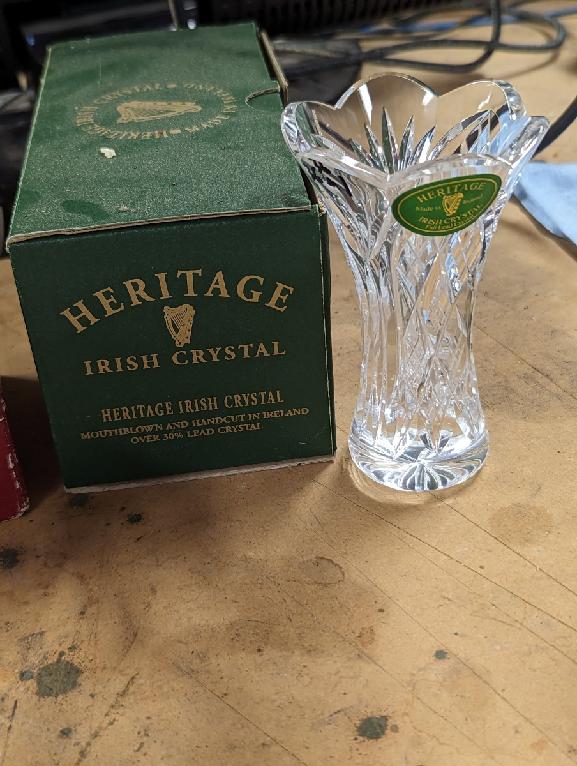

Bud vase "Over 30% lead crystal" Made in Ireland

